Instructions
Step 1
Install the sqlite open database drivers on your machine if you have not already done so.
http://www.ch-werner.de/sqliteodbc/
Most AEI computers should use the x64 bit version:
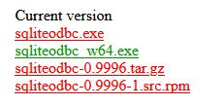

Step 2
Add simulation names and eplusout.sql file locations to Sources table.

Step 3
User your windows credentials for the ODBC driver.
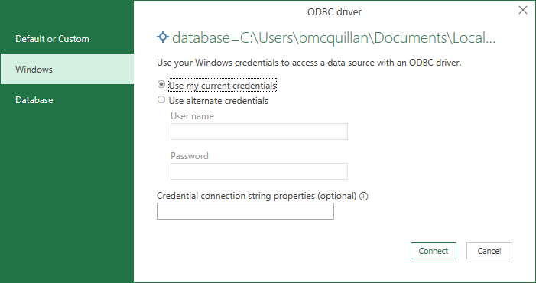

Step 4
Insert a PivotTable or PivotChart.

Step 5
Select 'Use an external data source'.
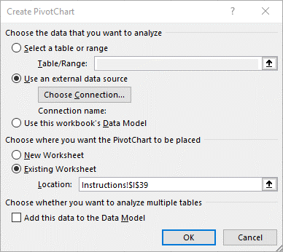

Step 6
Select 'Query - TabularDataWithStrings'.
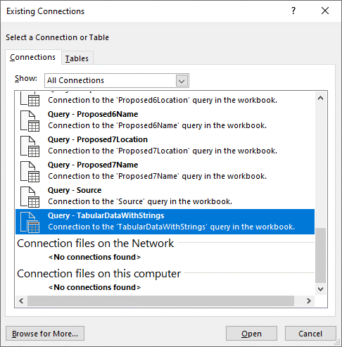


Step 7
Add following parameters to the PivotTable (see example):
Filters
 | TableName
 | ReportName
Columns
 | ColumnName
Rows
 | Simulation
 | RowName
Values
 | IP Value

Step 8
Filter by report and table of interest

Example Graphic-Setup
EndUse Comparison
 | Pavillion
HEATING:ELECTRICITY | 1215497.16
PUMPS:ELECTRICITY | 148892880
EXTERIORLIGHTS:ELECTRICITY | 223657848
REFRIGERATION:ELECTRICITY | 344376168
INTERIORLIGHTS:ELECTRICITY | 361348212
WATERSYSTEMS:GAS | 496728300
HEATING:GAS | 749615832
FANS:ELECTRICITY | 934985856
INTERIOREQUIPMENT:GAS | 2336222760
INTERIOREQUIPMENT:ELECTRICITY | 3420668400
COOLING:ELECTRICITY | 6306816480
Monthly Energy Profiles
 | COOLING:ELECTRICITY | EXTERIORLIGHTS:ELECTRICITY | FANS:ELECTRICITY | HEATING:ELECTRICITY | HEATING:GAS | INTERIOREQUIPMENT:ELECTRICITY | INTERIOREQUIPMENT:GAS | INTERIORLIGHTS:ELECTRICITY | PUMPS:ELECTRICITY | REFRIGERATION:ELECTRICITY | WATERSYSTEMS:GAS
January Pavillion | 518410008 | 20988720 | 80665794 | 204334.764 | 117230628 | 290189436 | 198190776 | 30606180 | 7611966 | 17094525.6 | 41886242.4
February Pavillion | 465744816 | 18633888 | 72879585.6 | 198381.324 | 140309688 | 262629180 | 179368236 | 27775546.8 | 7278307.92 | 9402358.8 | 38044188
March Pavillion | 520878600 | 19504152 | 81187099.2 | 135014.16 | 111392844 | 294242136 | 200958936 | 31623478.8 | 8100925.44 | 16595403.6 | 43540502.4
April Pavillion | 519500208 | 16893360 | 75759799.2 | 25692.130518 | 40231318.8 | 275598768 | 188226348 | 28306332 | 12217918.8 | 31365054 | 38848660.8
May Pavillion | 548117484 | 16637400 | 79374049.2 | 18757.857571 | 16121498.4 | 294242136 | 200958936 | 31623478.8 | 15412584 | 38360156.4 | 43578043.2
June Pavillion | 545843232 | 15357600 | 76074440.4 | 10259.765616 | 758363.976 | 283704168 | 193762668 | 30340834.8 | 19459596 | 43536331.2 | 41737406.4
July Pavillion | 557279904 | 16842168 | 77385714 | 7932.3129276 | 718228.5 | 286135788 | 195423564 | 29588976 | 19887902.4 | 45196279.2 | 40731768
August Pavillion | 556945260 | 17456472 | 78626835.6 | 7564.0049452 | 995371.56 | 294242136 | 200958936 | 31623478.8 | 18359347.2 | 45094369.2 | 43642128
September Pavillion | 528946080 | 17763624 | 75305896.8 | 7453.1908741 | 2185234.8 | 279651468 | 190994508 | 29323536 | 15042769.2 | 41683844.4 | 40408879.2
October Pavillion | 530757708 | 19913688 | 79343808 | 51883.98312 | 60616352.4 | 290189436 | 198190776 | 30606180 | 10373774.4 | 27276614.4 | 42066362.4
November Pavillion | 505007184 | 21449448 | 78226400.4 | 137048.568 | 114580020 | 283704168 | 193762668 | 30340834.8 | 7682620.44 | 15663804 | 41742620.4
December Pavillion | 509387892 | 22217328 | 80156812.8 | 411177.936 | 144475200 | 286135788 | 195423564 | 29588976 | 7464855.36 | 13107048 | 40501498.8

energy sub-metering needs
 | Total
COOLING:ELECTRICITY | 41.11%
EXTERIORLIGHTS:ELECTRICITY | 1.46%
FANS:ELECTRICITY | 6.10%
HEATING:ELECTRICITY | 0.01%
HEATING:GAS | 4.96%
INTERIOREQUIPMENT:ELECTRICITY | 22.30%
INTERIOREQUIPMENT:GAS | 15.23%
INTERIORLIGHTS:ELECTRICITY | 2.36%
PUMPS:ELECTRICITY | 0.98%
REFRIGERATION:ELECTRICITY | 2.24%
WATERSYSTEMS:GAS | 3.24%

Example Formatted
Monthly Energy Profiles
 | COOLING:ELECTRICITY | EXTERIORLIGHTS:ELECTRICITY | FANS:ELECTRICITY | HEATING:ELECTRICITY | HEATING:GAS | INTERIOREQUIPMENT:ELECTRICITY | INTERIOREQUIPMENT:GAS | INTERIORLIGHTS:ELECTRICITY | PUMPS:ELECTRICITY | REFRIGERATION:ELECTRICITY | WATERSYSTEMS:GAS
January Pavillion | 518410008 | 20988720 | 80665794 | 204334.764 | 117230628 | 290189436 | 198190776 | 30606180 | 7611966 | 17094525.6 | 41886242.4
February Pavillion | 465744816 | 18633888 | 72879585.6 | 198381.324 | 140309688 | 262629180 | 179368236 | 27775546.8 | 7278307.92 | 9402358.8 | 38044188
March Pavillion | 520878600 | 19504152 | 81187099.2 | 135014.16 | 111392844 | 294242136 | 200958936 | 31623478.8 | 8100925.44 | 16595403.6 | 43540502.4
April Pavillion | 519500208 | 16893360 | 75759799.2 | 25692.130518 | 40231318.8 | 275598768 | 188226348 | 28306332 | 12217918.8 | 31365054 | 38848660.8
May Pavillion | 548117484 | 16637400 | 79374049.2 | 18757.857571 | 16121498.4 | 294242136 | 200958936 | 31623478.8 | 15412584 | 38360156.4 | 43578043.2
June Pavillion | 545843232 | 15357600 | 76074440.4 | 10259.765616 | 758363.976 | 283704168 | 193762668 | 30340834.8 | 19459596 | 43536331.2 | 41737406.4
July Pavillion | 557279904 | 16842168 | 77385714 | 7932.3129276 | 718228.5 | 286135788 | 195423564 | 29588976 | 19887902.4 | 45196279.2 | 40731768
August Pavillion | 556945260 | 17456472 | 78626835.6 | 7564.0049452 | 995371.56 | 294242136 | 200958936 | 31623478.8 | 18359347.2 | 45094369.2 | 43642128
September Pavillion | 528946080 | 17763624 | 75305896.8 | 7453.1908741 | 2185234.8 | 279651468 | 190994508 | 29323536 | 15042769.2 | 41683844.4 | 40408879.2
October Pavillion | 530757708 | 19913688 | 79343808 | 51883.98312 | 60616352.4 | 290189436 | 198190776 | 30606180 | 10373774.4 | 27276614.4 | 42066362.4
November Pavillion | 505007184 | 21449448 | 78226400.4 | 137048.568 | 114580020 | 283704168 | 193762668 | 30340834.8 | 7682620.44 | 15663804 | 41742620.4
December Pavillion | 509387892 | 22217328 | 80156812.8 | 411177.936 | 144475200 | 286135788 | 195423564 | 29588976 | 7464855.36 | 13107048 | 40501498.8
EndUse Comparison
 | Pavillion
HEATING:ELECTRICITY | 1215497.16
PUMPS:ELECTRICITY | 148892880
EXTERIORLIGHTS:ELECTRICITY | 223657848
REFRIGERATION:ELECTRICITY | 344376168
INTERIORLIGHTS:ELECTRICITY | 361348212
WATERSYSTEMS:GAS | 496728300
HEATING:GAS | 749615832
FANS:ELECTRICITY | 934985856
INTERIOREQUIPMENT:GAS | 2336222760
INTERIOREQUIPMENT:ELECTRICITY | 3420668400
COOLING:ELECTRICITY | 6306816480

energy sub-metering needs
 | Total
COOLING:ELECTRICITY | 41.11%
EXTERIORLIGHTS:ELECTRICITY | 1.46%
FANS:ELECTRICITY | 6.10%
HEATING:ELECTRICITY | 0.01%
HEATING:GAS | 4.96%
INTERIOREQUIPMENT:ELECTRICITY | 22.30%
INTERIOREQUIPMENT:GAS | 15.23%
INTERIORLIGHTS:ELECTRICITY | 2.36%
PUMPS:ELECTRICITY | 0.98%
REFRIGERATION:ELECTRICITY | 2.24%
WATERSYSTEMS:GAS | 3.24%

